SubjectDetails
Dr. D.Y. Patil Educational Federation's
Dr. D. Y. Patil Institute of Management and Entreprenuer Development, Varale, Pune
(Permanently affiliated to Savitribai Phule Pune University, Accredited by NAAC 'A'
Approved by AICTE, Recognized under 2 (f) & 12 (b) sections of UGC Act)

Name of the faculty: | Prof. Shweta Awaskar, Prof. Shekhar Shinde
Designation: | Assistant Professor
Subject & Code: | Object Oriented Software Engineering
Type of Course: | Subject Core
Class & A.Y.: | MCA I SEM I AY 2023-24
Specialization:

 | % | Marks
Internal Assessment Weightage | 33% | 25
External Assessment Weightage | 67% | 50
 |  |  | Prof. Shweta Awaskar, Prof. Shekhar Shinde
Direct Assessment Weightage | 80% |  | Subject Faculty
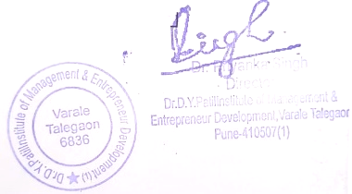
Indirect Assessment Weightage | 20%

Dr. Ravi Chourasiya |  |  | Dr. Ashwini Chavan | Dr. Priyanka Singh
(College Examination Officer) |  |  | HOD (MCA) | Director

Rubrics
Dr. D.Y. Patil Educational Federation's
Dr. D. Y. Patil Institute of Management and Entreprenuer Development, Varale, Pune
(Permanently affiliated to Savitribai Phule Pune University, Accredited by NAAC 'A'
Approved by AICTE, Recognized under 2 (f) & 12 (b) sections of UGC Act)
Faculty Name: Prof. Shweta Awaskar, Prof. Shekhar Shinde
Subject Name & Code: Object Oriented Software Engineering
Class: MCA I SEM I AY 2023-24

Rubrics
Criteria | Excellent (100%) |  | Good (80%) | Satisfactory (60%) | Needs Improvement (<60%)
Understanding of Concepts
Application of Tools
Interpretation & Decision-Making
Structure & Clarity
References & Format


Prof. Shweta Awaskar, Prof. Shekhar Shinde
Subject Faculty

Dr. Ravi Chourasiya |  | Dr. Ashwini Chavan |  | Dr. Priyanka Singh
(College Examination Officer) |  | HOD (MCA) |  | Director

